README
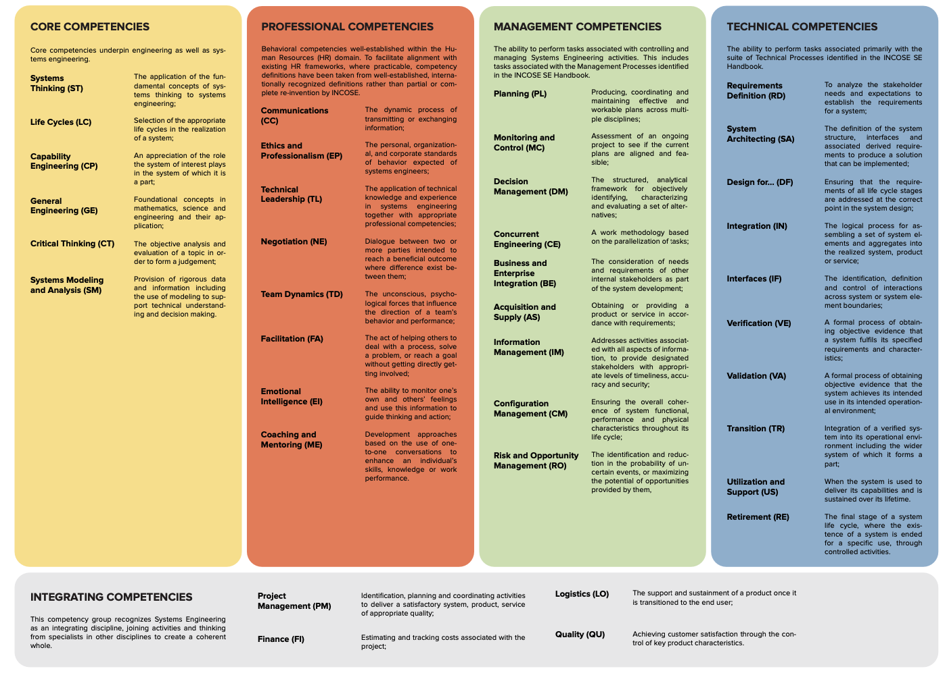
SYSTEMS ENGINEERING COMPETENCY FRAMEWORK (SELF-EVALUATION EDITION)
The purpose of this document is to provide a set of competencies for Systems Engineering within a framework that provides guidance for both beneficiaries and practitioners to identify knowledge, skills, abilities and behaviors important to Systems Engineering effectiveness in the application domain (e.g. space, transportation, medical) for which the competency model is applied. Use the Sheet Index to track your progress by selecting your proficiency level from the dropdown on each competency sheet, and the matrix will update automatically.
FRAMEWORK STRUCTURE
Competencies predominately associated with Systems Engineering have been identified and grouped into five themes which are summarized in the figure below. All competence areas are fully defined in a series of tables forming the remainder this document. Note that the Systems Engineering Competency Framework (SECF) only defines the “requirements” which express competence at a particular proficiency level. Validation that requirements have been met (i.e. confirming competence at levels characterized) needs to be performed by formally assessing an individual against these indicators. Guidelines for competency assessment are defined in the INCOSE Systems Engineering Competency Assessment Guide (SECAG). Thus the SECAG Guidelines can be interpreted as guidelines for “verification and validation” evidence required for the SECF. Although the specific nature of evidence provided will differ from organization and individual, each defined indicator has at least one possible element of potential evidence associated with it.
COMPETENCE PROFICIENCY LEVELS
Five “levels” of increasing competence have been defined in terms of levels of knowledge and experience for each competency area:
Awareness The person displays knowledge of key ideas associated with the competency area and understands key issues and their implications. They ask relevant and constructive questions on the subject. This level characterizes engineers new to the competency area. It could also characterize an individual outside Systems Engineering who requires an understanding of the competency area to perform their role.
Supervised Practitioner The person displays an understanding of the competency area and have either limited or historical experience. They require regular guidance and supervision. This level addresses two categories of individuals: * Individuals new to the competency who are “in-training” or * inexperienced in the competency area; Individuals who gained experience as a Practitioner (or higher) level in the competency area in the past, but who have not been operating as a day-to-day Practitioner for an extended period. These individuals are currently not able to operate without some degree of regular supervision. Clearly, over time, their learning may progress at a faster pace than those in-training for the first time as skills, tools and techniques are re-learned.
Practitioner The person displays both knowledge and practical experience of the competency area and can function without supervision on a day-to-day basis. They are also capable of providing guidance and advice to less experienced practitioners.
Lead Practitioner The person displays extensive and substantial practical knowledge and experience of the competency area and provides guidance to others including practitioners encountering unusual situations. Typically, this level is associated with an individual who is the “go-to” person for advice and to determine best practice within the competency area within an organization or business unit.
Expert In addition to extensive and substantial practical experience and applied knowledge of the competency area, this individual contributes to and is recognized beyond the organizational or business boundary. Typically, this level is associated with an individual contributing to and defining regional or international best practices within the competency area.
LINK TO INCOSE SECF DIGITAL DOWNLOAD
https://portal.incose.org/commerce/store?productId=commerce-merchandise%23INCOSE-ISECF2

CODE SYSTEM DESCRIPTION
The code system follows a structured 4-part format: [Area][Competency][Level][Number]
Area (1st character): Identifies the main competency category
Competency (2-3 characters): Abbreviation for the specific competency area
Level (1 character): Proficiency level
Number (2 digits): Sequential identifier within that competency/level combination

AREA CODES
C = Core competencies
P = Professional competencies
T = Technical competencies
M = Management competencies
I = Integrating competencies

LEVEL CODES
A = Awareness
S = Supervised Practitioner
P = Practitioner
L = Lead Practitioner
E = Expert

